WellSky Phlebotomy Screen
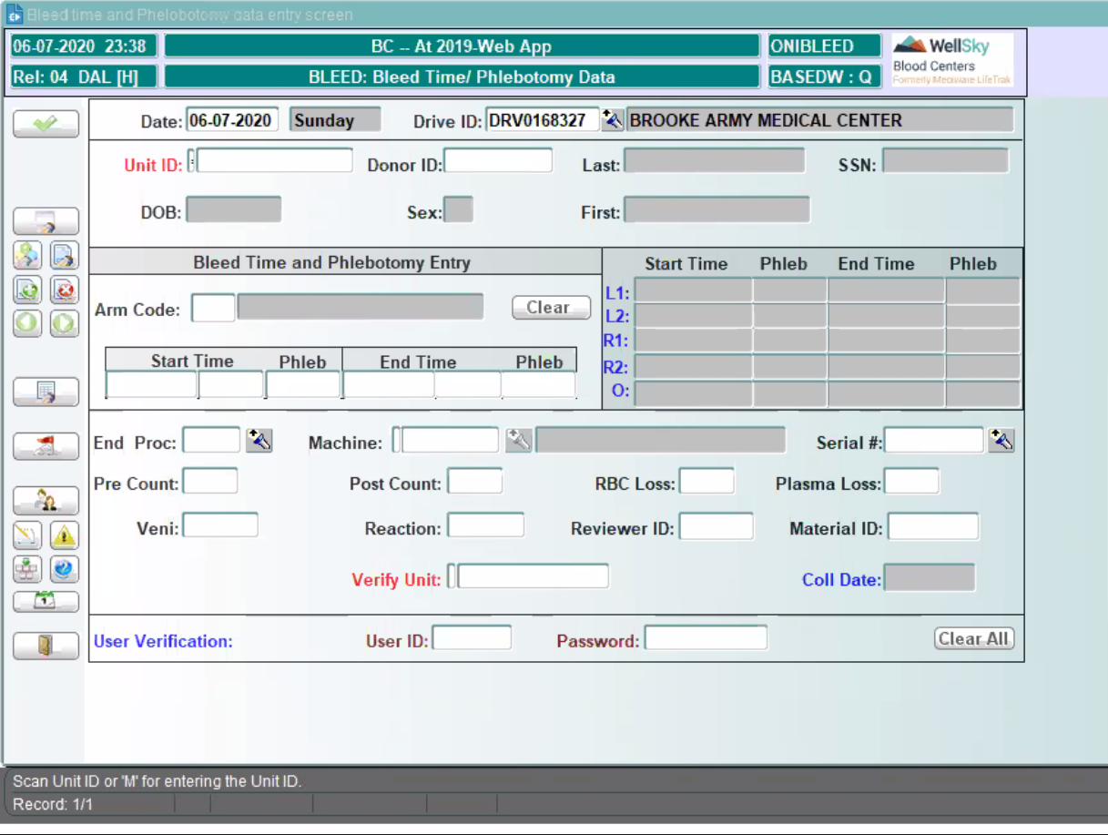

"Arm Code" is the data entry field for arm venipuncture.
- "L" is "Left" and "R" is "Right"
- "1" is for the first arm venipuncture
- "2" is for the second arm venipuncture

If 2 attempted sticks occurred with 1st in Left arm and 2nd in Right arm then
values should be received with a code of "L1" and "R1"

"End Proc" represents if something different was collected from donor than what
was originally identfied prior file sent to apheresis device.
- this situation would have potential of impacting donor eligibility
- Field is required if something different was collected from donor that what was
originally identified for the donor
- potentially can send target platelet yield and plasma volume and have WellSky convert

"Phleb" is the ending phlebotomist

"Veni" is used if something occurred with the venipuncture
- Example "Difficult Venipuncture"; "Double Stick"
- Codes are customer dependent

